Sheet1
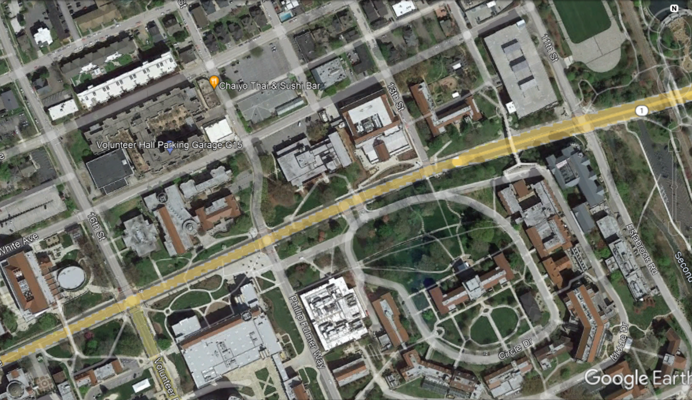
ROAD DIET INITIAL SCREENING FORM

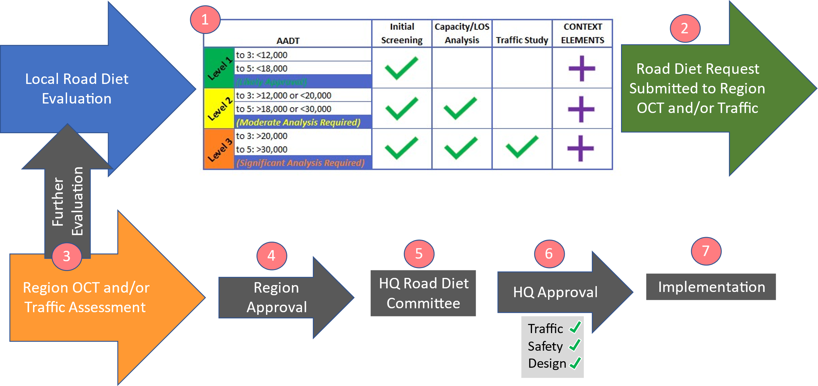
KEY INFORMATION: | ITEM
PIN | XXXX
County and/or City | Knoxville
Federal Project Number | XXXX
State Project Number | XXXX
Local Program Project | XXXX
Road Name | Main Street
Project Limits | Third Street to Seventh Street
Length of Proposed Road Diet | 2.35 miles
Classification of Proposed Road Diet Road | Major Arterial
Posted Speed Limit | 40 mph
Date of Application | 29-Oct-22
 |  |  |  |  | TRAFFIC CONTROL
10 year traffic projections are calculated the same way as road diet facility
LIST OF INTERSECTING ROADS AND MAJOR DRIVEWAYS: |  | CLASSIFICATION | 10 year Future AADT | Below Benchmark? | Signal | Stop | Other
Road A | Benchmark: 3,000 10-Yr Future AADT | Minor Arterial | 2,200 | YES | Yes
Road B | Benchmark: 3,000 10-Yr Future AADT | Major Collector | 2,900 | YES |  | Yes
Road C | Benchmark: 3,000 10-Yr Future AADT | Local | 1,500 | YES | Yes
Road D | Benchmark: 3,000 10-Yr Future AADT | Driveway | 700 | YES | Yes
Road E | Benchmark: 3,000 10-Yr Future AADT | Minor Collector | 1,200 | YES | Yes
ADD ROAD |  |  |  | YES
ADD ROAD |  |  |  | YES
PROPOSED CONVERSION: | CRITERIA:
NOTES
NOTES
4 to 3 | Standard Criteria Applies
5 to 3 | Standard Criteria Applies | X
6 to 5 | Standard Criteria Applies | X
7 to 5 | Requires Capacity/LOS Analysis | X
3 to 2 one-way | Requires Capacity/LOS Analysis | X
Other (Describe) | Requires Capacity/LOS Analysis | X
FURTHER DESCRIPTION OF ROAD:

AADT EVALUATION (FROM TN TIMES- USE LINK BELOW) |  |  |  |  | 4 or 5 to 3
AADT Last 5-Years: |  | YEAR | AADT
 |  | 2018 | 5,900
 |  | 2019 | 5,950
TN Times |  | 2020 | 6,200
 |  | 2021 | 6,000
 |  | 2022 | 6,800 |  | 7 or 6 to 5
TN TIMES PERCENT GROWTH- LAST 5-YEARS: | 3.05
5-YEAR GROWTH PERCENT (2027): | 15.25
10-YEAR GROWTH PERCENT (2032): | 5.00
PROJECTED 10-YEAR AADT (15.25% + 5.00% = 20.25%) | 20.25 | 2032 | 8,200

Projected AADT is Less than 12,000 and all other Criteria are Met- Likely Approval Without More Analysis
Projected AADT is within Possible Range, Capacity/LOS Analysis Required
Projected AADT Exceeds Thresehold, Detailed Traffic Studies Required
NOTES
OTHER CRITERIA THAT MUST BE MET: | Met?
Positive Safety Analysis | Attach Safety Analysis
No Bus Route or Provide-Pull offs
Not an Interstate Diversion or Alternative Available
Local Support
Speed Limit < 45 mph
No Intersecting Roads with AADT> 3,000 (see above)

MAP OF STUDY AREA:

