Core_1
Core Number
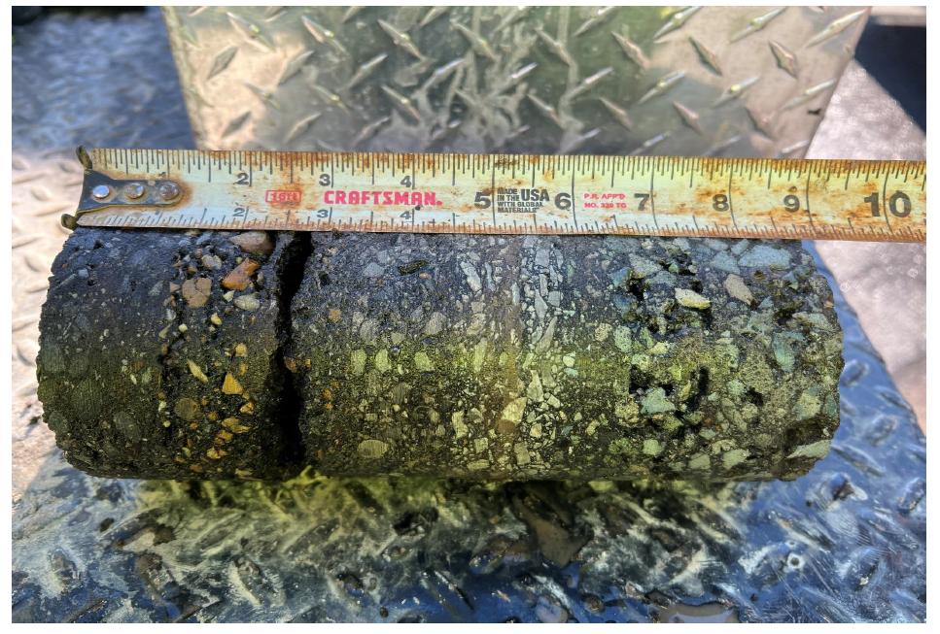

 |  | Comments
 |  | Pavement Type & Thickness
 |  | Base Type & Thickness
 |  | Distress Type
 |  | Delamination/De-bonding?
 |  | Distresses on the surface?
Example Photo

 | Core#
 | Direction - Depth
 | Location

Core 2
Core Number

 |  | Comments

Example Photo

 | Core#
 | Direction - Depth
 | Location

Core 3
Core Number

 |  | Comments

Example Photo

 | Core#
 | Direction - Depth
 | Location

